Sheet1
Frequency | 5.00E+04 |  | Capacitance (F) | 0.004002 |  | Suitable Cap
Inductance | 7.00E-05 |  | Num 10uF @ 29V DC Bias | 800.34028073 |  | GCM32EC71H106KA03L |  |  |  |  |  |  |  | +80% Duty Cycle @ 10A 15kHz
Vin | 29.4 |  | Area of 1210 package | 14.7 |  |  |  |  |  |  |  |  |  | 0.5V Ripple
Irms | 20 |  | Board Area (mm2) | 11765.002127 |  |  |  |  |  |  |  |  |  | 200uF
Ripple Voltage | 2.50E-02 |  |  |  |  |  |  |  |  |  |  |  |  | 40 Capacitors
Current vs Duty Cycle
Duty | Vout | Ripple Current (A) | Imin | Imax | Pout | Energy/Cycle | Time On | Idc | Edc | E Capacitor | Capacitor | Ein vs Eout | RMS Capacitor Current
0.005 | 0.147 | 0.04179 | 19.95821 | 20.04179 | 2.94 | 5.88E-05 | 1.00E-07 | 1.00E-01 | 2.94E-07 | 5.85E-05 | 7.96E-05 | 0.00E+00 | 1.41E+00
0.01 | 0.294 | 0.08316 | 19.91684 | 20.08316 | 5.88 | 1.18E-04 | 2.00E-07 | 2.00E-01 | 1.18E-06 | 1.16E-04 | 1.58E-04 | 0.00E+00 | 1.99E+00
0.015 | 0.441 | 0.12411 | 19.87589 | 20.12411 | 8.82 | 1.76E-04 | 3.00E-07 | 3.00E-01 | 2.65E-06 | 1.74E-04 | 2.37E-04 | 0.00E+00 | 2.43E+00
0.02 | 0.588 | 0.16464 | 19.83536 | 20.16464 | 11.76 | 2.35E-04 | 4.00E-07 | 4.00E-01 | 4.70E-06 | 2.30E-04 | 3.14E-04 | 0.00E+00 | 2.80E+00
0.025 | 0.735 | 0.20475 | 19.79525 | 20.20475 | 14.7 | 2.94E-04 | 5.00E-07 | 5.00E-01 | 7.35E-06 | 2.87E-04 | 3.90E-04 | 0.00E+00 | 3.12E+00
0.03 | 0.882 | 0.24444 | 19.75556 | 20.24444 | 17.64 | 3.53E-04 | 6.00E-07 | 6.00E-01 | 1.06E-05 | 3.42E-04 | 4.66E-04 | 0.00E+00 | 3.41E+00
0.035 | 1.029 | 0.28371 | 19.71629 | 20.28371 | 20.58 | 4.12E-04 | 7.00E-07 | 7.00E-01 | 1.44E-05 | 3.97E-04 | 5.41E-04 | 0.00E+00 | 3.68E+00
0.04 | 1.176 | 0.32256 | 19.67744 | 20.32256 | 23.52 | 4.70E-04 | 8.00E-07 | 8.00E-01 | 1.88E-05 | 4.52E-04 | 6.15E-04 | 0.00E+00 | 3.92E+00
0.045 | 1.323 | 0.36099 | 19.63901 | 20.36099 | 26.46 | 5.29E-04 | 9.00E-07 | 9.00E-01 | 2.38E-05 | 5.05E-04 | 6.88E-04 | 0.00E+00 | 4.15E+00
0.05 | 1.47 | 0.399 | 19.601 | 20.399 | 29.4 | 5.88E-04 | 1.00E-06 | 1.00E+00 | 2.94E-05 | 5.59E-04 | 7.60E-04 | 0.00E+00 | 4.36E+00
0.055 | 1.617 | 0.43659 | 19.56341 | 20.43659 | 32.34 | 6.47E-04 | 1.10E-06 | 1.10E+00 | 3.56E-05 | 6.11E-04 | 8.32E-04 | 0.00E+00 | 4.56E+00
0.06 | 1.764 | 0.47376 | 19.52624 | 20.47376 | 35.28 | 7.06E-04 | 1.20E-06 | 1.20E+00 | 4.23E-05 | 6.63E-04 | 9.03E-04 | 0.00E+00 | 4.75E+00
0.065 | 1.911 | 0.51051 | 19.48949 | 20.51051 | 38.22 | 7.64E-04 | 1.30E-06 | 1.30E+00 | 4.97E-05 | 7.15E-04 | 9.73E-04 | 0.00E+00 | 4.93E+00
0.07 | 2.058 | 0.54684 | 19.45316 | 20.54684 | 41.16 | 8.23E-04 | 1.40E-06 | 1.40E+00 | 5.76E-05 | 7.66E-04 | 1.04E-03 | 0.00E+00 | 5.10E+00
0.075 | 2.205 | 0.58275 | 19.41725 | 20.58275 | 44.1 | 8.82E-04 | 1.50E-06 | 1.50E+00 | 6.61E-05 | 8.16E-04 | 1.11E-03 | 0.00E+00 | 5.27E+00
0.08 | 2.352 | 0.61824 | 19.38176 | 20.61824 | 47.04 | 9.41E-04 | 1.60E-06 | 1.60E+00 | 7.53E-05 | 8.66E-04 | 1.18E-03 | 0.00E+00 | 5.42E+00
0.085 | 2.499 | 0.65331 | 19.34669 | 20.65331 | 49.98 | 1.00E-03 | 1.70E-06 | 1.70E+00 | 8.50E-05 | 9.15E-04 | 1.24E-03 | 0.00E+00 | 5.58E+00
0.09 | 2.646 | 0.68796 | 19.31204 | 20.68796 | 52.92 | 1.06E-03 | 1.80E-06 | 1.80E+00 | 9.53E-05 | 9.63E-04 | 1.31E-03 | 0.00E+00 | 5.72E+00
0.095 | 2.793 | 0.72219 | 19.27781 | 20.72219 | 55.86 | 1.12E-03 | 1.90E-06 | 1.90E+00 | 1.06E-04 | 1.01E-03 | 1.38E-03 | 0.00E+00 | 5.86E+00
0.1 | 2.94 | 0.756 | 19.244 | 20.756 | 58.8 | 1.18E-03 | 2.00E-06 | 2.00E+00 | 1.18E-04 | 1.06E-03 | 1.44E-03 | 0.00E+00 | 6.00E+00
0.105 | 3.087 | 0.78939 | 19.21061 | 20.78939 | 61.74 | 1.23E-03 | 2.10E-06 | 2.10E+00 | 1.30E-04 | 1.11E-03 | 1.50E-03 | 0.00E+00 | 6.13E+00
0.11 | 3.234 | 0.82236 | 19.17764 | 20.82236 | 64.68 | 1.29E-03 | 2.20E-06 | 2.20E+00 | 1.42E-04 | 1.15E-03 | 1.57E-03 | 0.00E+00 | 6.26E+00
0.115 | 3.381 | 0.85491 | 19.14509 | 20.85491 | 67.62 | 1.35E-03 | 2.30E-06 | 2.30E+00 | 1.56E-04 | 1.20E-03 | 1.63E-03 | 0.00E+00 | 6.38E+00
0.12 | 3.528 | 0.88704 | 19.11296 | 20.88704 | 70.56 | 1.41E-03 | 2.40E-06 | 2.40E+00 | 1.69E-04 | 1.24E-03 | 1.69E-03 | 0.00E+00 | 6.50E+00
0.125 | 3.675 | 0.91875 | 19.08125 | 20.91875 | 73.5 | 1.47E-03 | 2.50E-06 | 2.50E+00 | 1.84E-04 | 1.29E-03 | 1.75E-03 | 0.00E+00 | 6.61E+00
0.13 | 3.822 | 0.95004 | 19.04996 | 20.95004 | 76.44 | 1.53E-03 | 2.60E-06 | 2.60E+00 | 1.99E-04 | 1.33E-03 | 1.81E-03 | 0.00E+00 | 6.72E+00
0.135 | 3.969 | 0.98091 | 19.01909 | 20.98091 | 79.38 | 1.59E-03 | 2.70E-06 | 2.70E+00 | 2.14E-04 | 1.37E-03 | 1.87E-03 | 0.00E+00 | 6.83E+00
0.14 | 4.116 | 1.01136 | 18.98864 | 21.01136 | 82.32 | 1.65E-03 | 2.80E-06 | 2.80E+00 | 2.30E-04 | 1.42E-03 | 1.93E-03 | 0.00E+00 | 6.94E+00
0.145 | 4.263 | 1.04139 | 18.95861 | 21.04139 | 85.26 | 1.71E-03 | 2.90E-06 | 2.90E+00 | 2.47E-04 | 1.46E-03 | 1.98E-03 | 0.00E+00 | 7.04E+00
Energy Contributed by Capacitors
0.15 | 4.41 | 1.071 | 18.929 | 21.071 | 88.2 | 1.76E-03 | 3.00E-06 | 3.00E+00 | 2.65E-04 | 1.50E-03 | 2.04E-03 | 0.00E+00 | 7.14E+00
0.155 | 4.557 | 1.10019 | 18.89981 | 21.10019 | 91.14 | 1.82E-03 | 3.10E-06 | 3.10E+00 | 2.83E-04 | 1.54E-03 | 2.10E-03 | 0.00E+00 | 7.23E+00
0.16 | 4.704 | 1.12896 | 18.87104 | 21.12896 | 94.08 | 1.88E-03 | 3.20E-06 | 3.20E+00 | 3.01E-04 | 1.58E-03 | 2.15E-03 | 0.00E+00 | 7.33E+00
0.165 | 4.851 | 1.15731 | 18.84269 | 21.15731 | 97.02 | 1.94E-03 | 3.30E-06 | 3.30E+00 | 3.20E-04 | 1.62E-03 | 2.21E-03 | 0.00E+00 | 7.42E+00
0.17 | 4.998 | 1.18524 | 18.81476 | 21.18524 | 99.96 | 2.00E-03 | 3.40E-06 | 3.40E+00 | 3.40E-04 | 1.66E-03 | 2.26E-03 | 0.00E+00 | 7.51E+00
0.175 | 5.145 | 1.21275 | 18.78725 | 21.21275 | 102.9 | 2.06E-03 | 3.50E-06 | 3.50E+00 | 3.60E-04 | 1.70E-03 | 2.31E-03 | 0.00E+00 | 7.59E+00
0.18 | 5.292 | 1.23984 | 18.76016 | 21.23984 | 105.84 | 2.12E-03 | 3.60E-06 | 3.60E+00 | 3.81E-04 | 1.74E-03 | 2.36E-03 | 0.00E+00 | 7.68E+00
0.185 | 5.439 | 1.26651 | 18.73349 | 21.26651 | 108.78 | 2.18E-03 | 3.70E-06 | 3.70E+00 | 4.02E-04 | 1.77E-03 | 2.41E-03 | 0.00E+00 | 7.76E+00
0.19 | 5.586 | 1.29276 | 18.70724 | 21.29276 | 111.72 | 2.23E-03 | 3.80E-06 | 3.80E+00 | 4.25E-04 | 1.81E-03 | 2.46E-03 | 0.00E+00 | 7.84E+00
0.195 | 5.733 | 1.31859 | 18.68141 | 21.31859 | 114.66 | 2.29E-03 | 3.90E-06 | 3.90E+00 | 4.47E-04 | 1.85E-03 | 2.51E-03 | 0.00E+00 | 7.92E+00
0.2 | 5.88 | 1.344 | 18.656 | 21.344 | 117.6 | 2.35E-03 | 4.00E-06 | 4.00E+00 | 4.70E-04 | 1.88E-03 | 2.56E-03 | 0.00E+00 | 7.99E+00
0.205 | 6.027 | 1.36899 | 18.63101 | 21.36899 | 120.54 | 2.41E-03 | 4.10E-06 | 4.10E+00 | 4.94E-04 | 1.92E-03 | 2.61E-03 | 0.00E+00 | 8.07E+00
0.21 | 6.174 | 1.39356 | 18.60644 | 21.39356 | 123.48 | 2.47E-03 | 4.20E-06 | 4.20E+00 | 5.19E-04 | 1.95E-03 | 2.66E-03 | 0.00E+00 | 8.14E+00
0.215 | 6.321 | 1.41771 | 18.58229 | 21.41771 | 126.42 | 2.53E-03 | 4.30E-06 | 4.30E+00 | 5.44E-04 | 1.98E-03 | 2.70E-03 | 0.00E+00 | 8.21E+00
0.22 | 6.468 | 1.44144 | 18.55856 | 21.44144 | 129.36 | 2.59E-03 | 4.40E-06 | 4.40E+00 | 5.69E-04 | 2.02E-03 | 2.75E-03 | 0.00E+00 | 8.28E+00
0.225 | 6.615 | 1.46475 | 18.53525 | 21.46475 | 132.3 | 2.65E-03 | 4.50E-06 | 4.50E+00 | 5.95E-04 | 2.05E-03 | 2.79E-03 | 0.00E+00 | 8.34E+00
0.23 | 6.762 | 1.48764 | 18.51236 | 21.48764 | 135.24 | 2.70E-03 | 4.60E-06 | 4.60E+00 | 6.22E-04 | 2.08E-03 | 2.83E-03 | 0.00E+00 | 8.41E+00
0.235 | 6.909 | 1.51011 | 18.48989 | 21.51011 | 138.18 | 2.76E-03 | 4.70E-06 | 4.70E+00 | 6.49E-04 | 2.11E-03 | 2.88E-03 | 0.00E+00 | 8.47E+00
0.24 | 7.056 | 1.53216 | 18.46784 | 21.53216 | 141.12 | 2.82E-03 | 4.80E-06 | 4.80E+00 | 6.77E-04 | 2.15E-03 | 2.92E-03 | 0.00E+00 | 8.53E+00
0.245 | 7.203 | 1.55379 | 18.44621 | 21.55379 | 144.06 | 2.88E-03 | 4.90E-06 | 4.90E+00 | 7.06E-04 | 2.18E-03 | 2.96E-03 | 0.00E+00 | 8.59E+00
0.25 | 7.35 | 1.575 | 18.425 | 21.575 | 147 | 2.94E-03 | 5.00E-06 | 5.00E+00 | 7.35E-04 | 2.20E-03 | 3.00E-03 | 0.00E+00 | 8.65E+00
0.255 | 7.497 | 1.59579 | 18.40421 | 21.59579 | 149.94 | 3.00E-03 | 5.10E-06 | 5.10E+00 | 7.65E-04 | 2.23E-03 | 3.04E-03 | 0.00E+00 | 8.70E+00
0.26 | 7.644 | 1.61616 | 18.38384 | 21.61616 | 152.88 | 3.06E-03 | 5.20E-06 | 5.20E+00 | 7.95E-04 | 2.26E-03 | 3.08E-03 | 0.00E+00 | 8.76E+00
0.265 | 7.791 | 1.63611 | 18.36389 | 21.63611 | 155.82 | 3.12E-03 | 5.30E-06 | 5.30E+00 | 8.26E-04 | 2.29E-03 | 3.12E-03 | 0.00E+00 | 8.81E+00
0.27 | 7.938 | 1.65564 | 18.34436 | 21.65564 | 158.76 | 3.18E-03 | 5.40E-06 | 5.40E+00 | 8.57E-04 | 2.32E-03 | 3.15E-03 | 0.00E+00 | 8.87E+00
0.275 | 8.085 | 1.67475 | 18.32525 | 21.67475 | 161.7 | 3.23E-03 | 5.50E-06 | 5.50E+00 | 8.89E-04 | 2.34E-03 | 3.19E-03 | 0.00E+00 | 8.92E+00
0.28 | 8.232 | 1.69344 | 18.30656 | 21.69344 | 164.64 | 3.29E-03 | 5.60E-06 | 5.60E+00 | 9.22E-04 | 2.37E-03 | 3.23E-03 | 0.00E+00 | 8.97E+00
0.285 | 8.379 | 1.71171 | 18.28829 | 21.71171 | 167.58 | 3.35E-03 | 5.70E-06 | 5.70E+00 | 9.55E-04 | 2.40E-03 | 3.26E-03 | 0.00E+00 | 9.01E+00
0.29 | 8.526 | 1.72956 | 18.27044 | 21.72956 | 170.52 | 3.41E-03 | 5.80E-06 | 5.80E+00 | 9.89E-04 | 2.42E-03 | 3.30E-03 | 0.00E+00 | 9.06E+00
0.295 | 8.673 | 1.74699 | 18.25301 | 21.74699 | 173.46 | 3.47E-03 | 5.90E-06 | 5.90E+00 | 1.02E-03 | 2.45E-03 | 3.33E-03 | 0.00E+00 | 9.10E+00
0.3 | 8.82 | 1.764 | 18.236 | 21.764 | 176.4 | 3.53E-03 | 6.00E-06 | 6.00E+00 | 1.06E-03 | 2.47E-03 | 3.36E-03 | 0.00E+00 | 9.15E+00
0.305 | 8.967 | 1.78059 | 18.21941 | 21.78059 | 179.34 | 3.59E-03 | 6.10E-06 | 6.10E+00 | 1.09E-03 | 2.49E-03 | 3.39E-03 | 0.00E+00 | 9.19E+00
0.31 | 9.114 | 1.79676 | 18.20324 | 21.79676 | 182.28 | 3.65E-03 | 6.20E-06 | 6.20E+00 | 1.13E-03 | 2.52E-03 | 3.42E-03 | 0.00E+00 | 9.23E+00
0.315 | 9.261 | 1.81251 | 18.18749 | 21.81251 | 185.22 | 3.70E-03 | 6.30E-06 | 6.30E+00 | 1.17E-03 | 2.54E-03 | 3.45E-03 | 0.00E+00 | 9.27E+00
0.32 | 9.408 | 1.82784 | 18.17216 | 21.82784 | 188.16 | 3.76E-03 | 6.40E-06 | 6.40E+00 | 1.20E-03 | 2.56E-03 | 3.48E-03 | 0.00E+00 | 9.31E+00
0.325 | 9.555 | 1.84275 | 18.15725 | 21.84275 | 191.1 | 3.82E-03 | 6.50E-06 | 6.50E+00 | 1.24E-03 | 2.58E-03 | 3.51E-03 | 0.00E+00 | 9.35E+00
0.33 | 9.702 | 1.85724 | 18.14276 | 21.85724 | 194.04 | 3.88E-03 | 6.60E-06 | 6.60E+00 | 1.28E-03 | 2.60E-03 | 3.54E-03 | 0.00E+00 | 9.38E+00
0.335 | 9.849 | 1.87131 | 18.12869 | 21.87131 | 196.98 | 3.94E-03 | 6.70E-06 | 6.70E+00 | 1.32E-03 | 2.62E-03 | 3.57E-03 | 0.00E+00 | 9.42E+00
0.34 | 9.996 | 1.88496 | 18.11504 | 21.88496 | 199.92 | 4.00E-03 | 6.80E-06 | 6.80E+00 | 1.36E-03 | 2.64E-03 | 3.59E-03 | 0.00E+00 | 9.45E+00
0.345 | 10.143 | 1.89819 | 18.10181 | 21.89819 | 202.86 | 4.06E-03 | 6.90E-06 | 6.90E+00 | 1.40E-03 | 2.66E-03 | 3.62E-03 | 0.00E+00 | 9.49E+00
0.35 | 10.29 | 1.911 | 18.089 | 21.911 | 205.8 | 4.12E-03 | 7.00E-06 | 7.00E+00 | 1.44E-03 | 2.68E-03 | 3.64E-03 | 0.00E+00 | 9.52E+00
0.355 | 10.437 | 1.92339 | 18.07661 | 21.92339 | 208.74 | 4.17E-03 | 7.10E-06 | 7.10E+00 | 1.48E-03 | 2.69E-03 | 3.67E-03 | 0.00E+00 | 9.55E+00
0.36 | 10.584 | 1.93536 | 18.06464 | 21.93536 | 211.68 | 4.23E-03 | 7.20E-06 | 7.20E+00 | 1.52E-03 | 2.71E-03 | 3.69E-03 | 0.00E+00 | 9.58E+00
0.365 | 10.731 | 1.94691 | 18.05309 | 21.94691 | 214.62 | 4.29E-03 | 7.30E-06 | 7.30E+00 | 1.57E-03 | 2.73E-03 | 3.71E-03 | 0.00E+00 | 9.60E+00
0.37 | 10.878 | 1.95804 | 18.04196 | 21.95804 | 217.56 | 4.35E-03 | 7.40E-06 | 7.40E+00 | 1.61E-03 | 2.74E-03 | 3.73E-03 | 0.00E+00 | 9.63E+00
0.375 | 11.025 | 1.96875 | 18.03125 | 21.96875 | 220.5 | 4.41E-03 | 7.50E-06 | 7.50E+00 | 1.65E-03 | 2.76E-03 | 3.75E-03 | 0.00E+00 | 9.66E+00
0.38 | 11.172 | 1.97904 | 18.02096 | 21.97904 | 223.44 | 4.47E-03 | 7.60E-06 | 7.60E+00 | 1.70E-03 | 2.77E-03 | 3.77E-03 | 0.00E+00 | 9.68E+00
0.385 | 11.319 | 1.98891 | 18.01109 | 21.98891 | 226.38 | 4.53E-03 | 7.70E-06 | 7.70E+00 | 1.74E-03 | 2.78E-03 | 3.79E-03 | 0.00E+00 | 9.71E+00
0.39 | 11.466 | 1.99836 | 18.00164 | 21.99836 | 229.32 | 4.59E-03 | 7.80E-06 | 7.80E+00 | 1.79E-03 | 2.80E-03 | 3.81E-03 | 0.00E+00 | 9.73E+00
0.395 | 11.613 | 2.00739 | 17.99261 | 22.00739 | 232.26 | 4.65E-03 | 7.90E-06 | 7.90E+00 | 1.83E-03 | 2.81E-03 | 3.83E-03 | 0.00E+00 | 9.75E+00
0.4 | 11.76 | 2.016 | 17.984 | 22.016 | 235.2 | 4.70E-03 | 8.00E-06 | 8.00E+00 | 1.88E-03 | 2.82E-03 | 3.84E-03 | 0.00E+00 | 9.77E+00
0.405 | 11.907 | 2.02419 | 17.97581 | 22.02419 | 238.14 | 4.76E-03 | 8.10E-06 | 8.10E+00 | 1.93E-03 | 2.83E-03 | 3.86E-03 | 0.00E+00 | 9.79E+00
0.41 | 12.054 | 2.03196 | 17.96804 | 22.03196 | 241.08 | 4.82E-03 | 8.20E-06 | 8.20E+00 | 1.98E-03 | 2.84E-03 | 3.87E-03 | 0.00E+00 | 9.81E+00
0.415 | 12.201 | 2.03931 | 17.96069 | 22.03931 | 244.02 | 4.88E-03 | 8.30E-06 | 8.30E+00 | 2.03E-03 | 2.86E-03 | 3.89E-03 | 0.00E+00 | 9.83E+00
0.42 | 12.348 | 2.04624 | 17.95376 | 22.04624 | 246.96 | 4.94E-03 | 8.40E-06 | 8.40E+00 | 2.07E-03 | 2.86E-03 | 3.90E-03 | 0.00E+00 | 9.84E+00
0.425 | 12.495 | 2.05275 | 17.94725 | 22.05275 | 249.9 | 5.00E-03 | 8.50E-06 | 8.50E+00 | 2.12E-03 | 2.87E-03 | 3.91E-03 | 0.00E+00 | 9.86E+00
0.43 | 12.642 | 2.05884 | 17.94116 | 22.05884 | 252.84 | 5.06E-03 | 8.60E-06 | 8.60E+00 | 2.17E-03 | 2.88E-03 | 3.92E-03 | 0.00E+00 | 9.87E+00
0.435 | 12.789 | 2.06451 | 17.93549 | 22.06451 | 255.78 | 5.12E-03 | 8.70E-06 | 8.70E+00 | 2.23E-03 | 2.89E-03 | 3.93E-03 | 0.00E+00 | 9.88E+00
0.44 | 12.936 | 2.06976 | 17.93024 | 22.06976 | 258.72 | 5.17E-03 | 8.80E-06 | 8.80E+00 | 2.28E-03 | 2.90E-03 | 3.94E-03 | 0.00E+00 | 9.90E+00
0.445 | 13.083 | 2.07459 | 17.92541 | 22.07459 | 261.66 | 5.23E-03 | 8.90E-06 | 8.90E+00 | 2.33E-03 | 2.90E-03 | 3.95E-03 | 0.00E+00 | 9.91E+00
0.45 | 13.23 | 2.079 | 17.921 | 22.079 | 264.6 | 5.29E-03 | 9.00E-06 | 9.00E+00 | 2.38E-03 | 2.91E-03 | 3.96E-03 | 0.00E+00 | 9.92E+00
0.455 | 13.377 | 2.08299 | 17.91701 | 22.08299 | 267.54 | 5.35E-03 | 9.10E-06 | 9.10E+00 | 2.43E-03 | 2.92E-03 | 3.97E-03 | 0.00E+00 | 9.93E+00
0.46 | 13.524 | 2.08656 | 17.91344 | 22.08656 | 270.48 | 5.41E-03 | 9.20E-06 | 9.20E+00 | 2.49E-03 | 2.92E-03 | 3.98E-03 | 0.00E+00 | 9.93E+00
0.465 | 13.671 | 2.08971 | 17.91029 | 22.08971 | 273.42 | 5.47E-03 | 9.30E-06 | 9.30E+00 | 2.54E-03 | 2.93E-03 | 3.98E-03 | 0.00E+00 | 9.94E+00
0.47 | 13.818 | 2.09244 | 17.90756 | 22.09244 | 276.36 | 5.53E-03 | 9.40E-06 | 9.40E+00 | 2.60E-03 | 2.93E-03 | 3.99E-03 | 0.00E+00 | 9.95E+00
0.475 | 13.965 | 2.09475 | 17.90525 | 22.09475 | 279.3 | 5.59E-03 | 9.50E-06 | 9.50E+00 | 2.65E-03 | 2.93E-03 | 3.99E-03 | 0.00E+00 | 9.95E+00
0.48 | 14.112 | 2.09664 | 17.90336 | 22.09664 | 282.24 | 5.64E-03 | 9.60E-06 | 9.60E+00 | 2.71E-03 | 2.94E-03 | 4.00E-03 | 0.00E+00 | 9.96E+00
0.485 | 14.259 | 2.09811 | 17.90189 | 22.09811 | 285.18 | 5.70E-03 | 9.70E-06 | 9.70E+00 | 2.77E-03 | 2.94E-03 | 4.00E-03 | 0.00E+00 | 9.96E+00
0.49 | 14.406 | 2.09916 | 17.90084 | 22.09916 | 288.12 | 5.76E-03 | 9.80E-06 | 9.80E+00 | 2.82E-03 | 2.94E-03 | 4.00E-03 | 0.00E+00 | 9.96E+00
0.495 | 14.553 | 2.09979 | 17.90021 | 22.09979 | 291.06 | 5.82E-03 | 9.90E-06 | 9.90E+00 | 2.88E-03 | 2.94E-03 | 4.00E-03 | 0.00E+00 | 9.96E+00
0.5 | 14.7 | 2.1 | 17.9 | 22.1 | 294 | 5.88E-03 | 1.00E-05 | 1.00E+01 | 2.94E-03 | 2.94E-03 | 4.00E-03 | 0.00E+00 | 9.96E+00
0.505 | 14.847 | 2.09979 | 17.90021 | 22.09979 | 296.94 | 5.94E-03 | 1.01E-05 | 1.01E+01 | 3.00E-03 | 2.94E-03 | 4.00E-03 | 0.00E+00 | 9.96E+00
0.51 | 14.994 | 2.09916 | 17.90084 | 22.09916 | 299.88 | 6.00E-03 | 1.02E-05 | 1.02E+01 | 3.06E-03 | 2.94E-03 | 4.00E-03 | 0.00E+00 | 9.96E+00
0.515 | 15.141 | 2.09811 | 17.90189 | 22.09811 | 302.82 | 6.06E-03 | 1.03E-05 | 1.03E+01 | 3.12E-03 | 2.94E-03 | 4.00E-03 | 0.00E+00 | 9.96E+00
0.52 | 15.288 | 2.09664 | 17.90336 | 22.09664 | 305.76 | 6.12E-03 | 1.04E-05 | 1.04E+01 | 3.18E-03 | 2.94E-03 | 4.00E-03 | 0.00E+00 | 9.95E+00
0.525 | 15.435 | 2.09475 | 17.90525 | 22.09475 | 308.7 | 6.17E-03 | 1.05E-05 | 1.05E+01 | 3.24E-03 | 2.93E-03 | 3.99E-03 | 0.00E+00 | 9.95E+00
0.53 | 15.582 | 2.09244 | 17.90756 | 22.09244 | 311.64 | 6.23E-03 | 1.06E-05 | 1.06E+01 | 3.30E-03 | 2.93E-03 | 3.99E-03 | 0.00E+00 | 9.94E+00
0.535 | 15.729 | 2.08971 | 17.91029 | 22.08971 | 314.58 | 6.29E-03 | 1.07E-05 | 1.07E+01 | 3.37E-03 | 2.93E-03 | 3.98E-03 | 0.00E+00 | 9.94E+00
0.54 | 15.876 | 2.08656 | 17.91344 | 22.08656 | 317.52 | 6.35E-03 | 1.08E-05 | 1.08E+01 | 3.43E-03 | 2.92E-03 | 3.98E-03 | 0.00E+00 | 9.93E+00
0.545 | 16.023 | 2.08299 | 17.91701 | 22.08299 | 320.46 | 6.41E-03 | 1.09E-05 | 1.09E+01 | 3.49E-03 | 2.92E-03 | 3.97E-03 | 0.00E+00 | 9.92E+00
0.55 | 16.17 | 2.079 | 17.921 | 22.079 | 323.4 | 6.47E-03 | 1.10E-05 | 1.10E+01 | 3.56E-03 | 2.91E-03 | 3.96E-03 | 0.00E+00 | 9.91E+00
0.555 | 16.317 | 2.07459 | 17.92541 | 22.07459 | 326.34 | 6.53E-03 | 1.11E-05 | 1.11E+01 | 3.62E-03 | 2.90E-03 | 3.95E-03 | 0.00E+00 | 9.90E+00
0.56 | 16.464 | 2.06976 | 17.93024 | 22.06976 | 329.28 | 6.59E-03 | 1.12E-05 | 1.12E+01 | 3.69E-03 | 2.90E-03 | 3.94E-03 | 0.00E+00 | 9.89E+00
0.565 | 16.611 | 2.06451 | 17.93549 | 22.06451 | 332.22 | 6.64E-03 | 1.13E-05 | 1.13E+01 | 3.75E-03 | 2.89E-03 | 3.93E-03 | 0.00E+00 | 9.87E+00
0.57 | 16.758 | 2.05884 | 17.94116 | 22.05884 | 335.16 | 6.70E-03 | 1.14E-05 | 1.14E+01 | 3.82E-03 | 2.88E-03 | 3.92E-03 | 0.00E+00 | 9.86E+00
0.575 | 16.905 | 2.05275 | 17.94725 | 22.05275 | 338.1 | 6.76E-03 | 1.15E-05 | 1.15E+01 | 3.89E-03 | 2.87E-03 | 3.91E-03 | 0.00E+00 | 9.85E+00
0.58 | 17.052 | 2.04624 | 17.95376 | 22.04624 | 341.04 | 6.82E-03 | 1.16E-05 | 1.16E+01 | 3.96E-03 | 2.86E-03 | 3.90E-03 | 0.00E+00 | 9.83E+00
0.585 | 17.199 | 2.03931 | 17.96069 | 22.03931 | 343.98 | 6.88E-03 | 1.17E-05 | 1.17E+01 | 4.02E-03 | 2.86E-03 | 3.89E-03 | 0.00E+00 | 9.81E+00
0.59 | 17.346 | 2.03196 | 17.96804 | 22.03196 | 346.92 | 6.94E-03 | 1.18E-05 | 1.18E+01 | 4.09E-03 | 2.84E-03 | 3.87E-03 | 0.00E+00 | 9.80E+00
0.595 | 17.493 | 2.02419 | 17.97581 | 22.02419 | 349.86 | 7.00E-03 | 1.19E-05 | 1.19E+01 | 4.16E-03 | 2.83E-03 | 3.86E-03 | 0.00E+00 | 9.78E+00
0.6 | 17.64 | 2.016 | 17.984 | 22.016 | 352.8 | 7.06E-03 | 1.20E-05 | 1.20E+01 | 4.23E-03 | 2.82E-03 | 3.84E-03 | 0.00E+00 | 9.76E+00
0.605 | 17.787 | 2.00739 | 17.99261 | 22.00739 | 355.74 | 7.11E-03 | 1.21E-05 | 1.21E+01 | 4.30E-03 | 2.81E-03 | 3.83E-03 | 0.00E+00 | 9.74E+00
0.61 | 17.934 | 1.99836 | 18.00164 | 21.99836 | 358.68 | 7.17E-03 | 1.22E-05 | 1.22E+01 | 4.38E-03 | 2.80E-03 | 3.81E-03 | 0.00E+00 | 9.71E+00
0.615 | 18.081 | 1.98891 | 18.01109 | 21.98891 | 361.62 | 7.23E-03 | 1.23E-05 | 1.23E+01 | 4.45E-03 | 2.78E-03 | 3.79E-03 | 0.00E+00 | 9.69E+00
0.62 | 18.228 | 1.97904 | 18.02096 | 21.97904 | 364.56 | 7.29E-03 | 1.24E-05 | 1.24E+01 | 4.52E-03 | 2.77E-03 | 3.77E-03 | 0.00E+00 | 9.67E+00
0.625 | 18.375 | 1.96875 | 18.03125 | 21.96875 | 367.5 | 7.35E-03 | 1.25E-05 | 1.25E+01 | 4.59E-03 | 2.76E-03 | 3.75E-03 | 0.00E+00 | 9.64E+00
0.63 | 18.522 | 1.95804 | 18.04196 | 21.95804 | 370.44 | 7.41E-03 | 1.26E-05 | 1.26E+01 | 4.67E-03 | 2.74E-03 | 3.73E-03 | 0.00E+00 | 9.61E+00
0.635 | 18.669 | 1.94691 | 18.05309 | 21.94691 | 373.38 | 7.47E-03 | 1.27E-05 | 1.27E+01 | 4.74E-03 | 2.73E-03 | 3.71E-03 | 0.00E+00 | 9.59E+00
0.64 | 18.816 | 1.93536 | 18.06464 | 21.93536 | 376.32 | 7.53E-03 | 1.28E-05 | 1.28E+01 | 4.82E-03 | 2.71E-03 | 3.69E-03 | 0.00E+00 | 9.56E+00
0.645 | 18.963 | 1.92339 | 18.07661 | 21.92339 | 379.26 | 7.59E-03 | 1.29E-05 | 1.29E+01 | 4.89E-03 | 2.69E-03 | 3.67E-03 | 0.00E+00 | 9.53E+00
0.65 | 19.11 | 1.911 | 18.089 | 21.911 | 382.2 | 7.64E-03 | 1.30E-05 | 1.30E+01 | 4.97E-03 | 2.68E-03 | 3.64E-03 | 0.00E+00 | 9.50E+00
0.655 | 19.257 | 1.89819 | 18.10181 | 21.89819 | 385.14 | 7.70E-03 | 1.31E-05 | 1.31E+01 | 5.05E-03 | 2.66E-03 | 3.62E-03 | 0.00E+00 | 9.47E+00
0.66 | 19.404 | 1.88496 | 18.11504 | 21.88496 | 388.08 | 7.76E-03 | 1.32E-05 | 1.32E+01 | 5.12E-03 | 2.64E-03 | 3.59E-03 | 0.00E+00 | 9.43E+00
0.665 | 19.551 | 1.87131 | 18.12869 | 21.87131 | 391.02 | 7.82E-03 | 1.33E-05 | 1.33E+01 | 5.20E-03 | 2.62E-03 | 3.57E-03 | 0.00E+00 | 9.40E+00
0.67 | 19.698 | 1.85724 | 18.14276 | 21.85724 | 393.96 | 7.88E-03 | 1.34E-05 | 1.34E+01 | 5.28E-03 | 2.60E-03 | 3.54E-03 | 0.00E+00 | 9.36E+00
0.675 | 19.845 | 1.84275 | 18.15725 | 21.84275 | 396.9 | 7.94E-03 | 1.35E-05 | 1.35E+01 | 5.36E-03 | 2.58E-03 | 3.51E-03 | 0.00E+00 | 9.33E+00
0.68 | 19.992 | 1.82784 | 18.17216 | 21.82784 | 399.84 | 8.00E-03 | 1.36E-05 | 1.36E+01 | 5.44E-03 | 2.56E-03 | 3.48E-03 | 0.00E+00 | 9.29E+00
0.685 | 20.139 | 1.81251 | 18.18749 | 21.81251 | 402.78 | 8.06E-03 | 1.37E-05 | 1.37E+01 | 5.52E-03 | 2.54E-03 | 3.45E-03 | 0.00E+00 | 9.25E+00
0.69 | 20.286 | 1.79676 | 18.20324 | 21.79676 | 405.72 | 8.11E-03 | 1.38E-05 | 1.38E+01 | 5.60E-03 | 2.52E-03 | 3.42E-03 | 0.00E+00 | 9.21E+00
0.695 | 20.433 | 1.78059 | 18.21941 | 21.78059 | 408.66 | 8.17E-03 | 1.39E-05 | 1.39E+01 | 5.68E-03 | 2.49E-03 | 3.39E-03 | 0.00E+00 | 9.17E+00
0.7 | 20.58 | 1.764 | 18.236 | 21.764 | 411.6 | 8.23E-03 | 1.40E-05 | 1.40E+01 | 5.76E-03 | 2.47E-03 | 3.36E-03 | 0.00E+00 | 9.13E+00
0.705 | 20.727 | 1.74699 | 18.25301 | 21.74699 | 414.54 | 8.29E-03 | 1.41E-05 | 1.41E+01 | 5.85E-03 | 2.45E-03 | 3.33E-03 | 0.00E+00 | 9.08E+00
0.71 | 20.874 | 1.72956 | 18.27044 | 21.72956 | 417.48 | 8.35E-03 | 1.42E-05 | 1.42E+01 | 5.93E-03 | 2.42E-03 | 3.30E-03 | 0.00E+00 | 9.04E+00
0.715 | 21.021 | 1.71171 | 18.28829 | 21.71171 | 420.42 | 8.41E-03 | 1.43E-05 | 1.43E+01 | 6.01E-03 | 2.40E-03 | 3.26E-03 | 0.00E+00 | 8.99E+00
0.72 | 21.168 | 1.69344 | 18.30656 | 21.69344 | 423.36 | 8.47E-03 | 1.44E-05 | 1.44E+01 | 6.10E-03 | 2.37E-03 | 3.23E-03 | 0.00E+00 | 8.94E+00
0.725 | 21.315 | 1.67475 | 18.32525 | 21.67475 | 426.3 | 8.53E-03 | 1.45E-05 | 1.45E+01 | 6.18E-03 | 2.34E-03 | 3.19E-03 | 0.00E+00 | 8.89E+00
0.73 | 21.462 | 1.65564 | 18.34436 | 21.65564 | 429.24 | 8.58E-03 | 1.46E-05 | 1.46E+01 | 6.27E-03 | 2.32E-03 | 3.15E-03 | 0.00E+00 | 8.84E+00
0.735 | 21.609 | 1.63611 | 18.36389 | 21.63611 | 432.18 | 8.64E-03 | 1.47E-05 | 1.47E+01 | 6.35E-03 | 2.29E-03 | 3.12E-03 | 0.00E+00 | 8.79E+00
0.74 | 21.756 | 1.61616 | 18.38384 | 21.61616 | 435.12 | 8.70E-03 | 1.48E-05 | 1.48E+01 | 6.44E-03 | 2.26E-03 | 3.08E-03 | 0.00E+00 | 8.74E+00
0.745 | 21.903 | 1.59579 | 18.40421 | 21.59579 | 438.06 | 8.76E-03 | 1.49E-05 | 1.49E+01 | 6.53E-03 | 2.23E-03 | 3.04E-03 | 0.00E+00 | 8.68E+00
0.75 | 22.05 | 1.575 | 18.425 | 21.575 | 441 | 8.82E-03 | 1.50E-05 | 1.50E+01 | 6.61E-03 | 2.21E-03 | 3.00E-03 | 0.00E+00 | 8.62E+00
0.755 | 22.197 | 1.55379 | 18.44621 | 21.55379 | 443.94 | 8.88E-03 | 1.51E-05 | 1.51E+01 | 6.70E-03 | 2.18E-03 | 2.96E-03 | 0.00E+00 | 8.57E+00
0.76 | 22.344 | 1.53216 | 18.46784 | 21.53216 | 446.88 | 8.94E-03 | 1.52E-05 | 1.52E+01 | 6.79E-03 | 2.15E-03 | 2.92E-03 | 0.00E+00 | 8.51E+00
0.765 | 22.491 | 1.51011 | 18.48989 | 21.51011 | 449.82 | 9.00E-03 | 1.53E-05 | 1.53E+01 | 6.88E-03 | 2.11E-03 | 2.88E-03 | 0.00E+00 | 8.45E+00
0.77 | 22.638 | 1.48764 | 18.51236 | 21.48764 | 452.76 | 9.06E-03 | 1.54E-05 | 1.54E+01 | 6.97E-03 | 2.08E-03 | 2.83E-03 | 0.00E+00 | 8.38E+00
0.775 | 22.785 | 1.46475 | 18.53525 | 21.46475 | 455.7 | 9.11E-03 | 1.55E-05 | 1.55E+01 | 7.06E-03 | 2.05E-03 | 2.79E-03 | 0.00E+00 | 8.32E+00
0.78 | 22.932 | 1.44144 | 18.55856 | 21.44144 | 458.64 | 9.17E-03 | 1.56E-05 | 1.56E+01 | 7.15E-03 | 2.02E-03 | 2.75E-03 | 0.00E+00 | 8.25E+00
0.785 | 23.079 | 1.41771 | 18.58229 | 21.41771 | 461.58 | 9.23E-03 | 1.57E-05 | 1.57E+01 | 7.25E-03 | 1.98E-03 | 2.70E-03 | 0.00E+00 | 8.18E+00
0.79 | 23.226 | 1.39356 | 18.60644 | 21.39356 | 464.52 | 9.29E-03 | 1.58E-05 | 1.58E+01 | 7.34E-03 | 1.95E-03 | 2.66E-03 | 0.00E+00 | 8.11E+00
0.795 | 23.373 | 1.36899 | 18.63101 | 21.36899 | 467.46 | 9.35E-03 | 1.59E-05 | 1.59E+01 | 7.43E-03 | 1.92E-03 | 2.61E-03 | 0.00E+00 | 8.04E+00
0.8 | 23.52 | 1.344 | 18.656 | 21.344 | 470.4 | 9.41E-03 | 1.60E-05 | 1.60E+01 | 7.53E-03 | 1.88E-03 | 2.56E-03 | 0.00E+00 | 7.97E+00
0.805 | 23.667 | 1.31859 | 18.68141 | 21.31859 | 473.34 | 9.47E-03 | 1.61E-05 | 1.61E+01 | 7.62E-03 | 1.85E-03 | 2.51E-03 | 0.00E+00 | 7.89E+00
0.81 | 23.814 | 1.29276 | 18.70724 | 21.29276 | 476.28 | 9.53E-03 | 1.62E-05 | 1.62E+01 | 7.72E-03 | 1.81E-03 | 2.46E-03 | 0.00E+00 | 7.82E+00
0.815 | 23.961 | 1.26651 | 18.73349 | 21.26651 | 479.22 | 9.58E-03 | 1.63E-05 | 1.63E+01 | 7.81E-03 | 1.77E-03 | 2.41E-03 | 0.00E+00 | 7.74E+00
0.82 | 24.108 | 1.23984 | 18.76016 | 21.23984 | 482.16 | 9.64E-03 | 1.64E-05 | 1.64E+01 | 7.91E-03 | 1.74E-03 | 2.36E-03 | 0.00E+00 | 7.66E+00
0.825 | 24.255 | 1.21275 | 18.78725 | 21.21275 | 485.1 | 9.70E-03 | 1.65E-05 | 1.65E+01 | 8.00E-03 | 1.70E-03 | 2.31E-03 | 0.00E+00 | 7.57E+00
0.83 | 24.402 | 1.18524 | 18.81476 | 21.18524 | 488.04 | 9.76E-03 | 1.66E-05 | 1.66E+01 | 8.10E-03 | 1.66E-03 | 2.26E-03 | 0.00E+00 | 7.49E+00
0.835 | 24.549 | 1.15731 | 18.84269 | 21.15731 | 490.98 | 9.82E-03 | 1.67E-05 | 1.67E+01 | 8.20E-03 | 1.62E-03 | 2.21E-03 | 0.00E+00 | 7.40E+00
0.84 | 24.696 | 1.12896 | 18.87104 | 21.12896 | 493.92 | 9.88E-03 | 1.68E-05 | 1.68E+01 | 8.30E-03 | 1.58E-03 | 2.15E-03 | 0.00E+00 | 7.31E+00
0.845 | 24.843 | 1.10019 | 18.89981 | 21.10019 | 496.86 | 9.94E-03 | 1.69E-05 | 1.69E+01 | 8.40E-03 | 1.54E-03 | 2.10E-03 | 0.00E+00 | 7.21E+00
0.85 | 24.99 | 1.071 | 18.929 | 21.071 | 499.8 | 1.00E-02 | 1.70E-05 | 1.70E+01 | 8.50E-03 | 1.50E-03 | 2.04E-03 | 0.00E+00 | 7.12E+00
0.855 | 25.137 | 1.04139 | 18.95861 | 21.04139 | 502.74 | 1.01E-02 | 1.71E-05 | 1.71E+01 | 8.60E-03 | 1.46E-03 | 1.98E-03 | 0.00E+00 | 7.02E+00
0.86 | 25.284 | 1.01136 | 18.98864 | 21.01136 | 505.68 | 1.01E-02 | 1.72E-05 | 1.72E+01 | 8.70E-03 | 1.42E-03 | 1.93E-03 | 0.00E+00 | 6.92E+00
0.865 | 25.431 | 0.98091 | 19.01909 | 20.98091 | 508.62 | 1.02E-02 | 1.73E-05 | 1.73E+01 | 8.80E-03 | 1.37E-03 | 1.87E-03 | 0.00E+00 | 6.81E+00
0.87 | 25.578 | 0.95004 | 19.04996 | 20.95004 | 511.56 | 1.02E-02 | 1.74E-05 | 1.74E+01 | 8.90E-03 | 1.33E-03 | 1.81E-03 | 0.00E+00 | 6.71E+00
0.875 | 25.725 | 0.91875 | 19.08125 | 20.91875 | 514.5 | 1.03E-02 | 1.75E-05 | 1.75E+01 | 9.00E-03 | 1.29E-03 | 1.75E-03 | 0.00E+00 | 6.60E+00
0.88 | 25.872 | 0.88704 | 19.11296 | 20.88704 | 517.44 | 1.03E-02 | 1.76E-05 | 1.76E+01 | 9.11E-03 | 1.24E-03 | 1.69E-03 | 0.00E+00 | 6.48E+00
0.885 | 26.019 | 0.85491 | 19.14509 | 20.85491 | 520.38 | 1.04E-02 | 1.77E-05 | 1.77E+01 | 9.21E-03 | 1.20E-03 | 1.63E-03 | 0.00E+00 | 6.36E+00
0.89 | 26.166 | 0.82236 | 19.17764 | 20.82236 | 523.32 | 1.05E-02 | 1.78E-05 | 1.78E+01 | 9.32E-03 | 1.15E-03 | 1.57E-03 | 0.00E+00 | 6.24E+00
0.895 | 26.313 | 0.78939 | 19.21061 | 20.78939 | 526.26 | 1.05E-02 | 1.79E-05 | 1.79E+01 | 9.42E-03 | 1.11E-03 | 1.50E-03 | 0.00E+00 | 6.12E+00
0.9 | 26.46 | 0.756 | 19.244 | 20.756 | 529.2 | 1.06E-02 | 1.80E-05 | 1.80E+01 | 9.53E-03 | 1.06E-03 | 1.44E-03 | 0.00E+00 | 5.99E+00
0.905 | 26.607 | 0.72219 | 19.27781 | 20.72219 | 532.14 | 1.06E-02 | 1.81E-05 | 1.81E+01 | 9.63E-03 | 1.01E-03 | 1.38E-03 | 0.00E+00 | 5.85E+00
0.91 | 26.754 | 0.68796 | 19.31204 | 20.68796 | 535.08 | 1.07E-02 | 1.82E-05 | 1.82E+01 | 9.74E-03 | 9.63E-04 | 1.31E-03 | 0.00E+00 | 5.71E+00
0.915 | 26.901 | 0.65331 | 19.34669 | 20.65331 | 538.02 | 1.08E-02 | 1.83E-05 | 1.83E+01 | 9.85E-03 | 9.15E-04 | 1.24E-03 | 0.00E+00 | 5.57E+00
0.92 | 27.048 | 0.61824 | 19.38176 | 20.61824 | 540.96 | 1.08E-02 | 1.84E-05 | 1.84E+01 | 9.95E-03 | 8.66E-04 | 1.18E-03 | 0.00E+00 | 5.42E+00
0.925 | 27.195 | 0.58275 | 19.41725 | 20.58275 | 543.9 | 1.09E-02 | 1.85E-05 | 1.85E+01 | 1.01E-02 | 8.16E-04 | 1.11E-03 | 0.00E+00 | 5.26E+00
0.93 | 27.342 | 0.54684 | 19.45316 | 20.54684 | 546.84 | 1.09E-02 | 1.86E-05 | 1.86E+01 | 1.02E-02 | 7.66E-04 | 1.04E-03 | 0.00E+00 | 5.09E+00
0.935 | 27.489 | 0.51051 | 19.48949 | 20.51051 | 549.78 | 1.10E-02 | 1.87E-05 | 1.87E+01 | 1.03E-02 | 7.15E-04 | 9.73E-04 | 0.00E+00 | 4.92E+00
0.94 | 27.636 | 0.47376 | 19.52624 | 20.47376 | 552.72 | 1.11E-02 | 1.88E-05 | 1.88E+01 | 1.04E-02 | 6.63E-04 | 9.03E-04 | 0.00E+00 | 4.74E+00
0.945 | 27.783 | 0.43659 | 19.56341 | 20.43659 | 555.66 | 1.11E-02 | 1.89E-05 | 1.89E+01 | 1.05E-02 | 6.11E-04 | 8.32E-04 | 0.00E+00 | 4.55E+00
0.95 | 27.93 | 0.399 | 19.601 | 20.399 | 558.6 | 1.12E-02 | 1.90E-05 | 1.90E+01 | 1.06E-02 | 5.59E-04 | 7.60E-04 | 0.00E+00 | 4.35E+00
0.955 | 28.077 | 0.36099 | 19.63901 | 20.36099 | 561.54 | 1.12E-02 | 1.91E-05 | 1.91E+01 | 1.07E-02 | 5.05E-04 | 6.88E-04 | 0.00E+00 | 4.14E+00
0.96 | 28.224 | 0.32256 | 19.67744 | 20.32256 | 564.48 | 1.13E-02 | 1.92E-05 | 1.92E+01 | 1.08E-02 | 4.52E-04 | 6.15E-04 | 0.00E+00 | 3.91E+00
0.965 | 28.371 | 0.28371 | 19.71629 | 20.28371 | 567.42 | 1.13E-02 | 1.93E-05 | 1.93E+01 | 1.10E-02 | 3.97E-04 | 5.41E-04 | 0.00E+00 | 3.67E+00
0.97 | 28.518 | 0.24444 | 19.75556 | 20.24444 | 570.36 | 1.14E-02 | 1.94E-05 | 1.94E+01 | 1.11E-02 | 3.42E-04 | 4.66E-04 | 0.00E+00 | 3.41E+00
0.975 | 28.665 | 0.20475 | 19.79525 | 20.20475 | 573.3 | 1.15E-02 | 1.95E-05 | 1.95E+01 | 1.12E-02 | 2.87E-04 | 3.90E-04 | 0.00E+00 | 3.12E+00
0.98 | 28.812 | 0.16464 | 19.83536 | 20.16464 | 576.24 | 1.15E-02 | 1.96E-05 | 1.96E+01 | 1.13E-02 | 2.30E-04 | 3.14E-04 | 0.00E+00 | 2.80E+00
0.985 | 28.959 | 0.12411 | 19.87589 | 20.12411 | 579.18 | 1.16E-02 | 1.97E-05 | 1.97E+01 | 1.14E-02 | 1.74E-04 | 2.37E-04 | 0.00E+00 | 2.43E+00
0.99 | 29.106 | 0.08316 | 19.91684 | 20.08316 | 582.12 | 1.16E-02 | 1.98E-05 | 1.98E+01 | 1.15E-02 | 1.16E-04 | 1.58E-04 | 0.00E+00 | 1.99E+00
0.995 | 29.253 | 0.04179 | 19.95821 | 20.04179 | 585.06 | 1.17E-02 | 1.99E-05 | 1.99E+01 | 1.16E-02 | 5.85E-05 | 7.96E-05 | 0.00E+00 | 1.41E+00
1 | 29.4 | 0 | 20 | 20 | 588 | 1.18E-02 | 2.00E-05 | 2.00E+01 | 1.18E-02 | 0.00E+00 | 0.00E+00 | 0.00E+00 | 0.00E+00

Capacitor Input Current
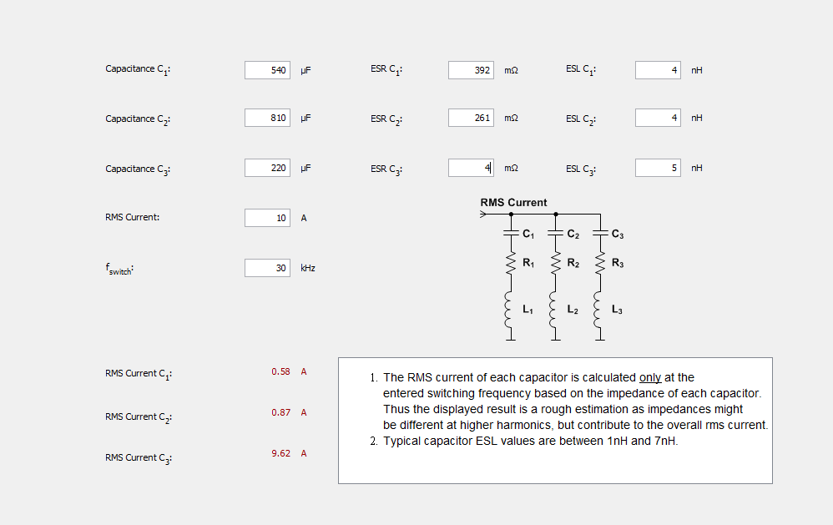
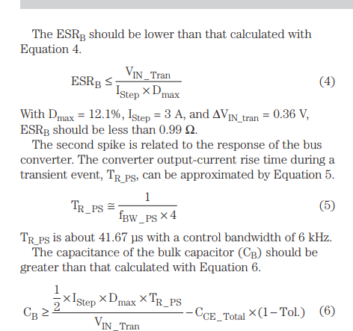
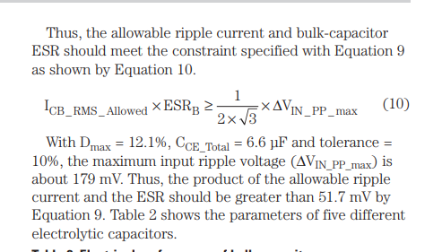
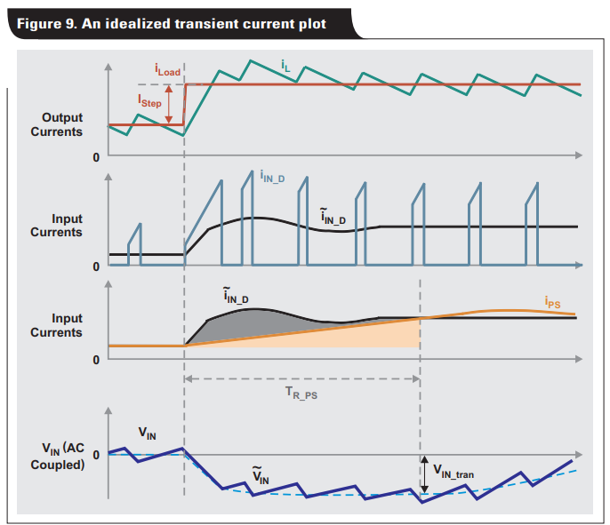
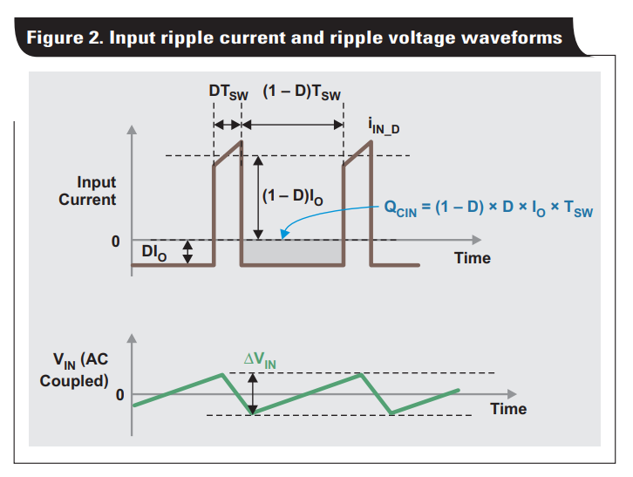
TI
ADI

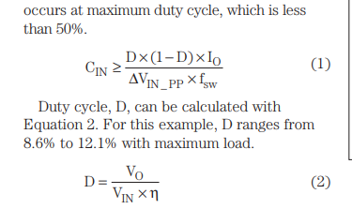
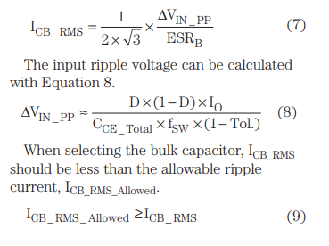
LGW2G271MELZ50 | 270uF Cap | 22DIAM

